Resultados
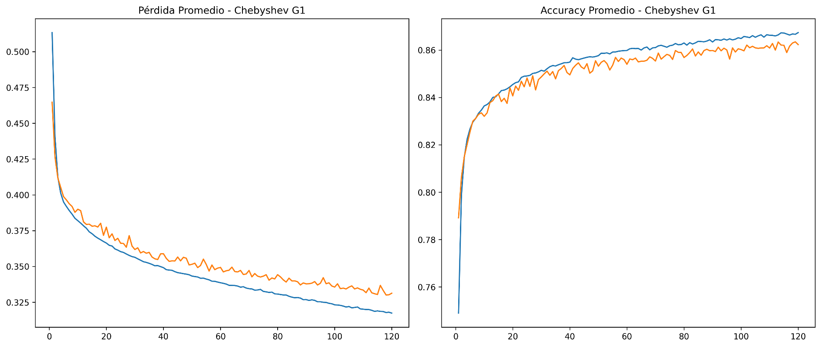
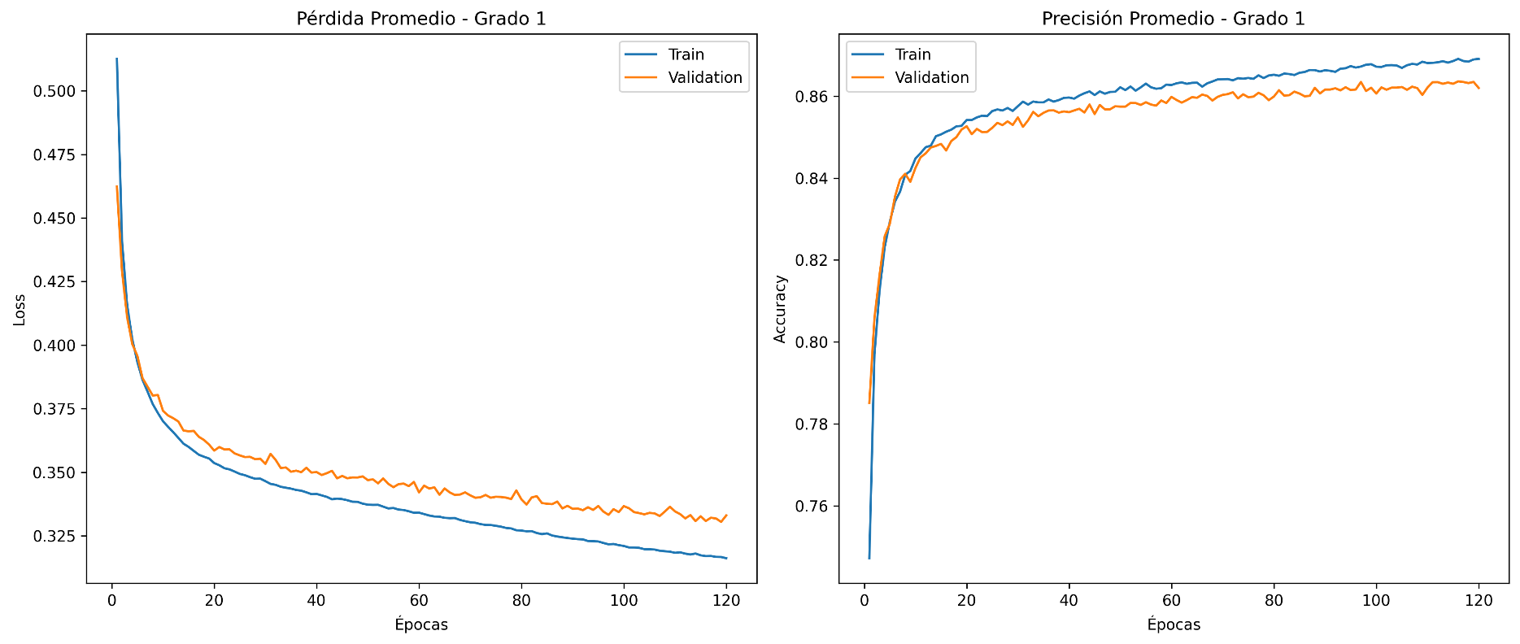
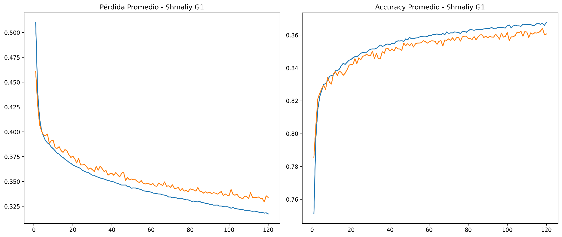
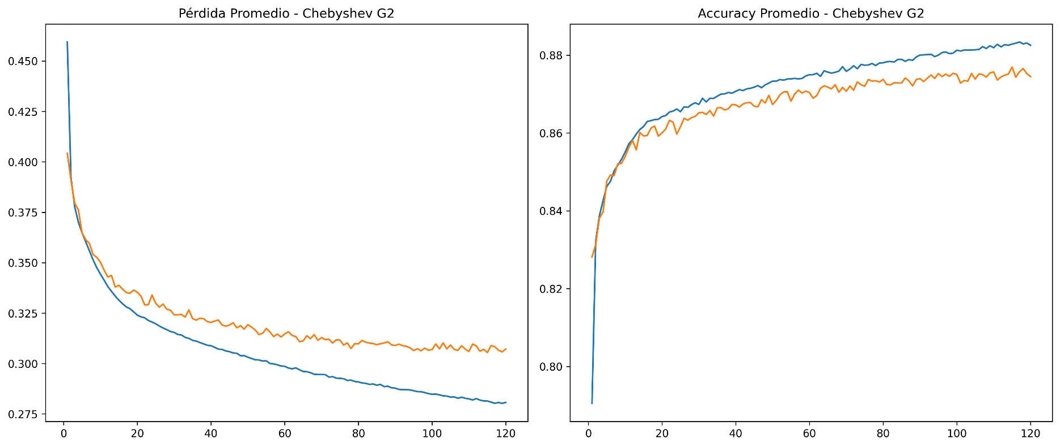
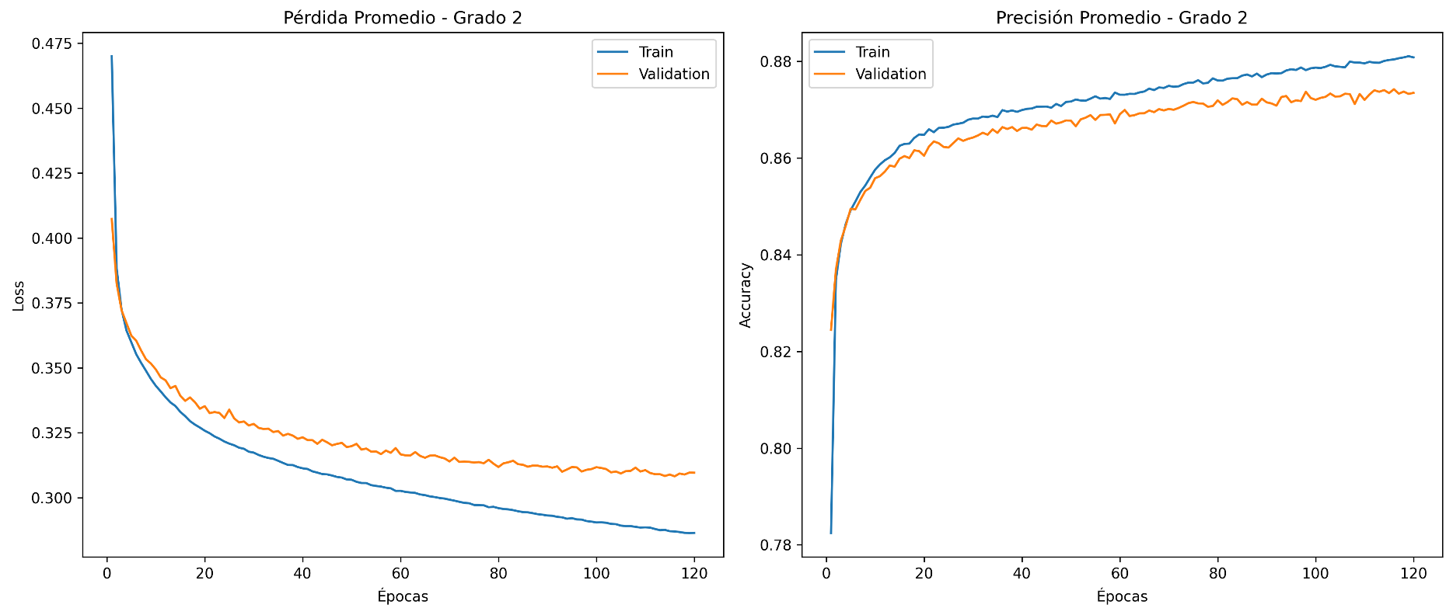
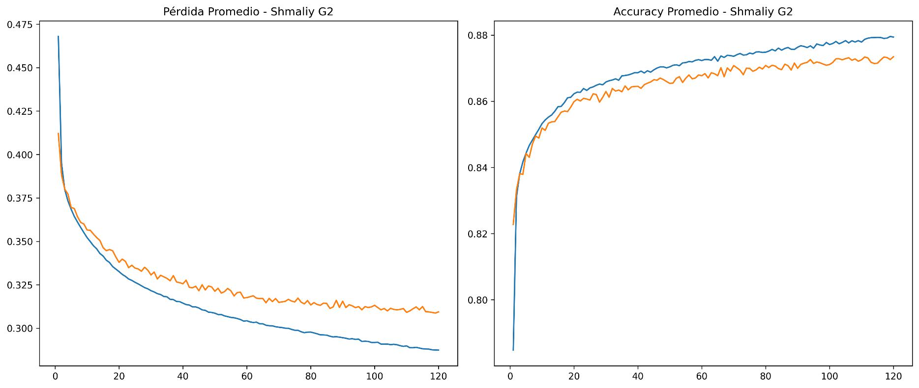
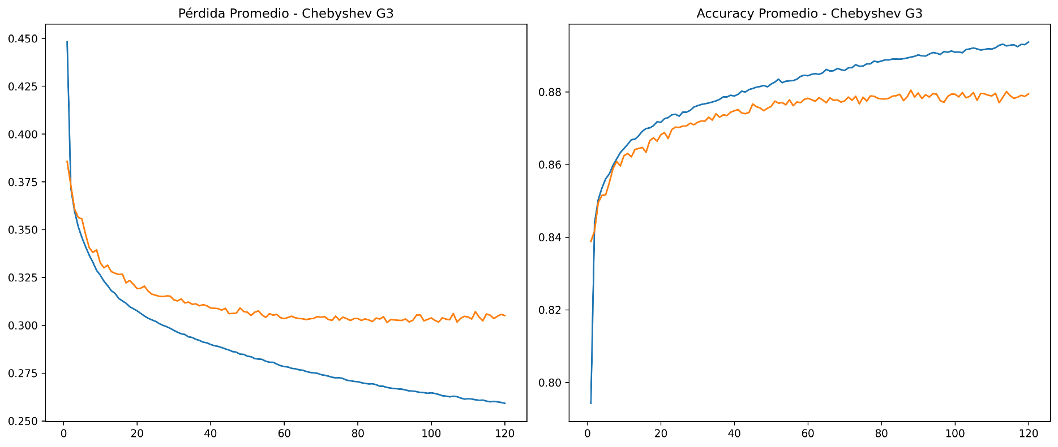
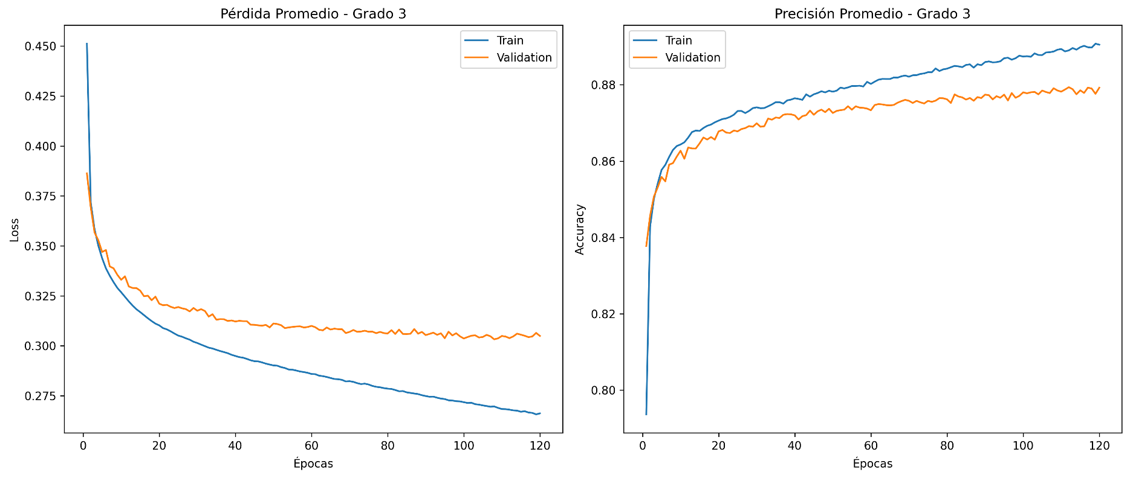
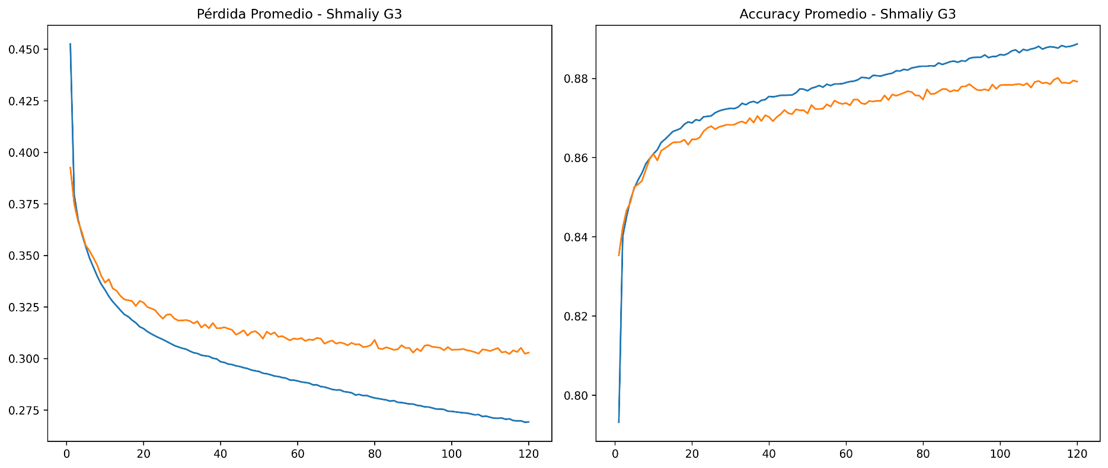
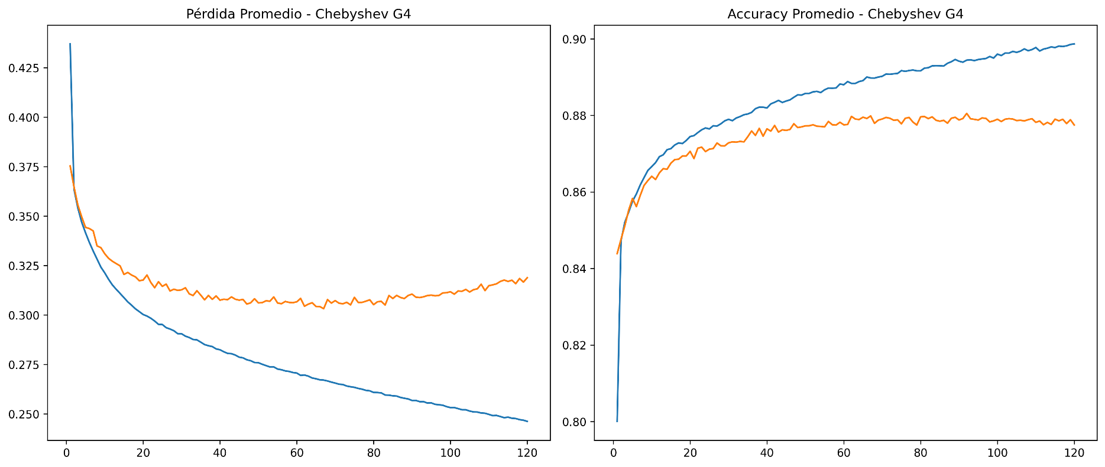

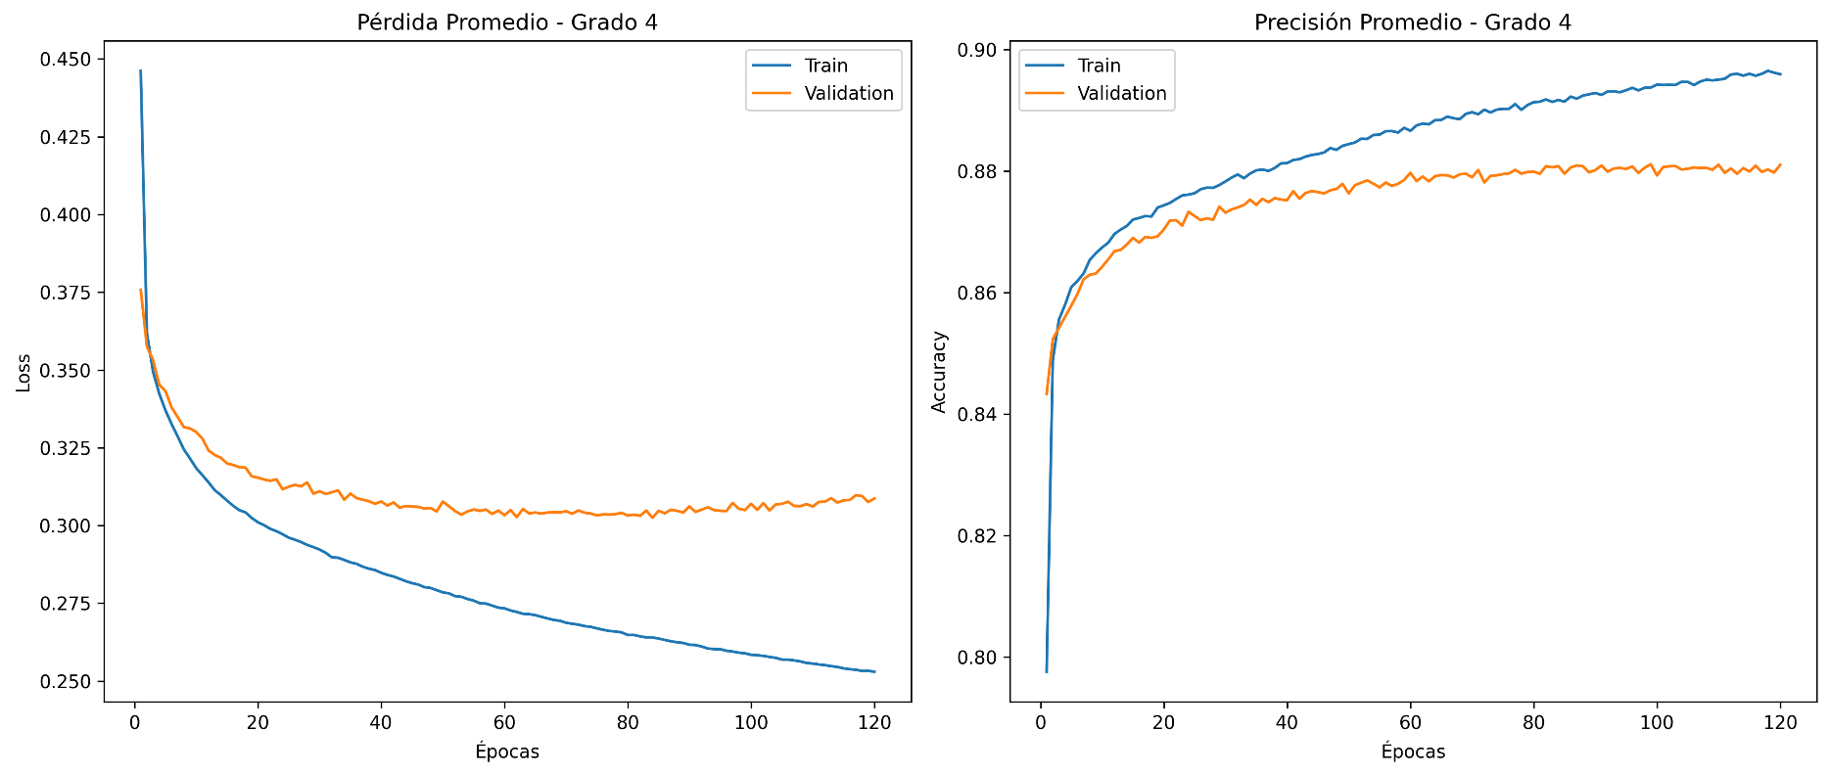
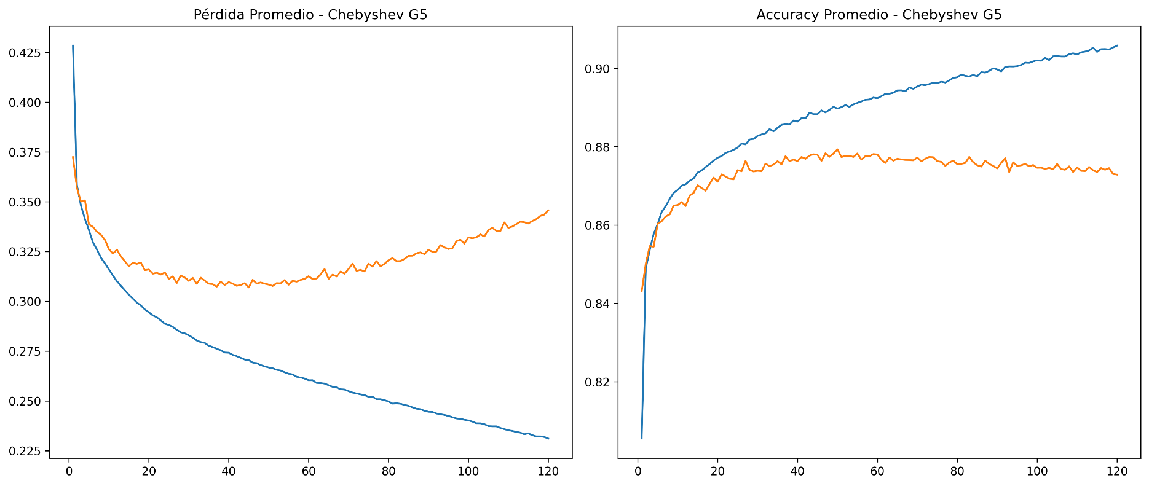
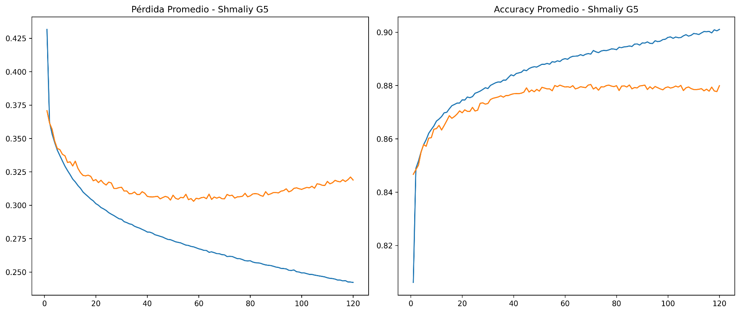
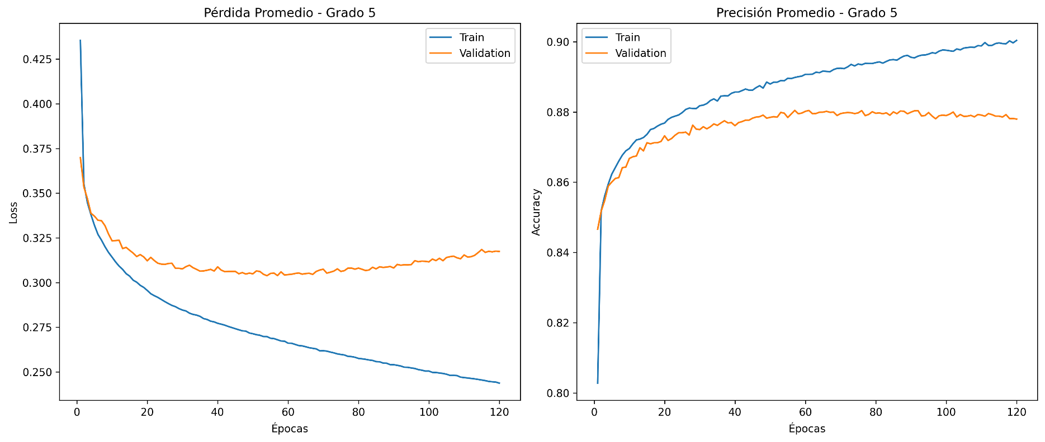
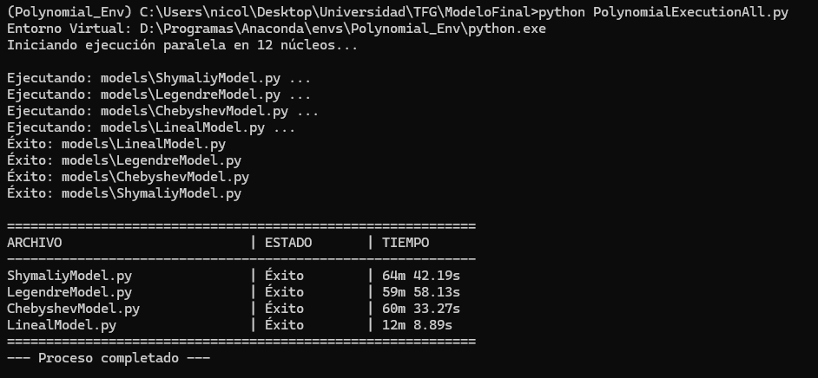
Polinomio | Grado | Mejor_N | Loss_Promedio | Accuracy_Promedio
Legendre | 4 | N/A | 0.301158 | 0.881651
Chebyshev | 3 | N/A | 0.300588 | 0.88081
Shmaliy | 4 | 25 | 0.303912 | 0.879968
Legendre | 3 | N/A | 0.302422 | 0.87939
Legendre | 5 | N/A | 0.311103 | 0.87939
Shmaliy | 3 | 50 | 0.298333 | 0.879338
Shmaliy | 5 | 50 | 0.318619 | 0.877234
Chebyshev | 4 | N/A | 0.313387 | 0.877129
Chebyshev | 5 | N/A | 0.336556 | 0.87613
Legendre | 2 | N/A | 0.304467 | 0.875237
Chebyshev | 2 | N/A | 0.303596 | 0.873607
Shmaliy | 2 | 50 | 0.306472 | 0.872135
Chebyshev | 1 | N/A | 0.325586 | 0.865247
Legendre | 1 | N/A | 0.329387 | 0.864669
Lineal/Dense | N/A | N/A | 0.863249 | 0.863249
Shmaliy | 1 | 50 | 0.331139 | 0.86225

Chebyshev |  |  |  |  | Legendre | shmaliy

